DELIVERABLES
TECHNICAL WORK TO BE INCLUDED IN APPENDIX AND BECOMES SUPPORTING MATERIAL FOR DISCUSSION , CONCLUSION AND RECOMMENDATIONS

A) | CALCULATE RESERVOIR VOLUME
 | USING OIL PROPERTIES CALCULATE VOLUME IN PLACE

B) | TOTAL DEVELOPMENT COST
 |  | DRILLING
 |  | COMPLETION
 |  | FACILITIES

C) | SINGLE WELL PRODUCTION FUNCTION |  |  |  |  | (NEED TO DESIGN COMPLETION IN ORDER TO DETERMINE ACTUAL WELL PERFORMANCE)
 | A) BEST | OIL |  | B) WORST | OIL
 |  | WATER |  |  | WATER
 |  | GAS |  |  | GAS

 | HOW MANY LOCATIONS CAN BE DRILLED TO FULLY DEVELOP THE FIELD

D) | NET PRODUCTION
 | A) BEST | OIL |  | B) WORST | OIL
 |  | GAS |  |  | GAS

E) | CASING DESIGN
 |  | SIZE, GRADE, WEIGHT

F) | TIME VS DEPTH SUMMARY

G) | CEMENT VOLUME, AND DETAILS
 | FOR EACH STRING |  | TYPE | WEIGHT | VOLUME IN CU FT AND SACKS

H) | STIMULATION DESIGN

I) | FACILITIES
 | PRELIMINARY DESIGN SINGLE WELL ( FLOW CHART) INCLUDING CHANGES AS PRODUCTION CONTINUES
 |  | TESTING
 |  | SEPARATION | GAS |  |  |  | OTC , FACILITIES AREAL VIEW
 |  |  | OIL
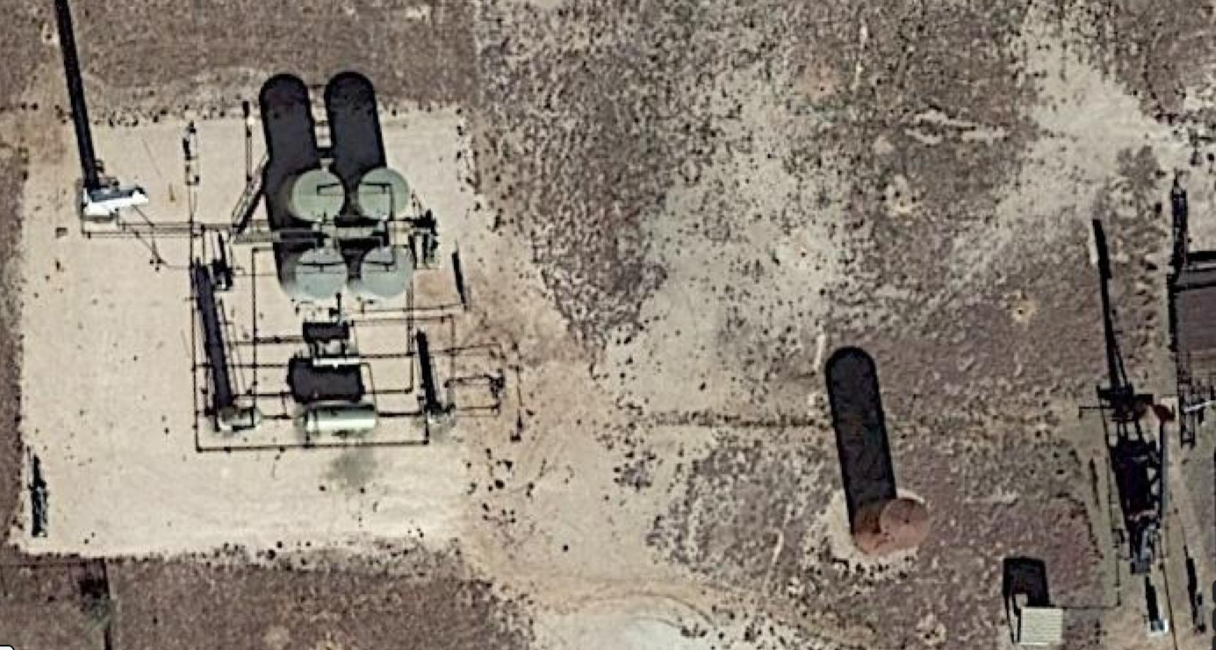
 |  |  | WATER
 |  | DISPOSAL
 |  | SALES

J) | FILL THE DRILLING PERMIT FORM, LAST TAB

FLUID PROPERTIES
FLUID PROPERTIES

 |  |  |  | OIL GRAVITY | 36 | 1.2928
PRESSURE | RECOVERY % | FREE GAS | GOR
PSIA | % OF OOIP | % OF PV | SCF/STBO
5,265 | 0.000 | 0.0000 | 450
5,140 | 0.009 | 0.0084 | 564
4,985 | 0.019 | 0.0191 | 678
4,673 | 0.042 | 0.0422 | 792
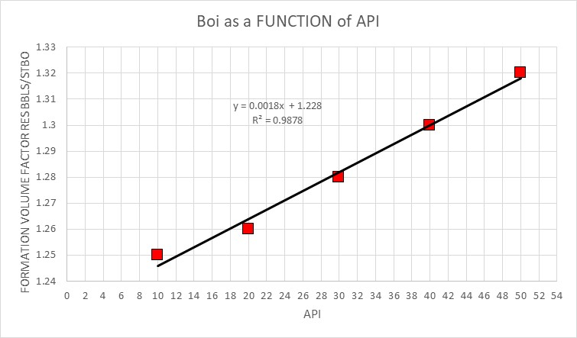
4,362 | 0.071 | 0.0683 | 906
4,050 | 0.092 | 0.0897 | 1,019
3,894 | 0.099 | 0.0981 | 1,133
3,738 | 0.105 | 0.1048 | 1,247
3,583 | 0.113 | 0.1136 | 1,361
3,427 | 0.119 | 0.1209 | 1,475
2,960 | 0.133 | 0.1409 | 1,589
2,882 | 0.135 | 0.1436 | 1,703
2,648 | 0.142 | 0.1529 | 1,817
2,492 | 0.146 | 0.1586 | 1,931
2,181 | 0.152 | 0.1690 | 2,044
1,869 | 0.157 | 0.1805 | 2,158
1,558 | 0.165 | 0.1923 | 2,272
1,246 | 0.170 | 0.2041 | 2,386
935 | 0.178 | 0.2181 | 2,500
623 | 0.185 | 0.2335 | 2,700
374 | 0.200 | 0.2500 | 2,500

GEOLOGY OOIP
 | NET THICKNESS MAP

 | 13 | 12 | 11 | 10 | 9 | 8 | 7 | 6 | 5 | 4 | 3 | 2 | 1
 |  |  |  |  |  |  |  |  |  |  |  |  | 2 |  |  | WIDTH , No OF SQUARES | 13
 |  |  |  |  |  |  |  |  |  |  |  |  | 3 |  |  | LENGTH , No OF SQUARES | 21 | 273
 |  |  |  |  |  |  |  |  |  |  |  |  | 4
 |  |  |  |  |  |  |  |  |  |  |  |  | 5 |  |  | OVERALL AREA | 2,730 |  | ACRES
 |  |  |  |  |  |  |  |  |  |  |  |  | 6 |  |  | SIZE OF EACH SQUARE | 660 | * 660 | FT
 |  |  |  |  |  |  |  |  |  |  |  |  | 7 |  |  | AREA EACH SQUARE | 435,600 | SQ FT | 10 | ACRES
0
 |  |  |  |  |  |  |  |  |  |  |  |  | 8
 |  |  |  |  |  |  |  |  |  |  |  |  | 9 |  |  | WIDTH | 8,580 | FT | 1.625 | MILES
20
 |  |  |  |  |  |  |  |  |  |  |  |  | 10 |  |  | LENGTH | 13,860 | FT | 2.625 | MILES
 |  |  |  |  |  |  |  |  |  |  |  |  | 11 |  |  |  | APPROXIMATE
40
 |  |  |  |  |  |  |  |  |  |  |  |  | 12 |  |  |  | NO OF
 |  |  |  |  |  |  |  |  |  |  |  |  | 13 |  |  |  | SQUARES | SQ FT | ACRES
60
 |  |  |  |  |  |  |  |  |  |  |  |  | 14 |  |  | YELLOW | 136 | 59,241,600 | 1,360
 |  |  |  |  |  |  |  |  |  |  |  |  | 15 |  |  | BLUE | 71 | 30,927,600 | 710 |  | Section (color) | Area (Acres) | Sw | Hnet | Bo | OOIP
 |  |  |  |  |  |  |  |  |  |  |  |  | 16 |  |  | GREEN | 22 | 9,583,200 | 220 |  | Yellow | 1360 | 0.35 | 20 | 1.29 | 106326698
 |  |  |  |  |  |  |  |  |  |  |  |  | 17 |  |  | RED | 5 | 2,178,000 | 50.0 |  | Blue | 710 | 0.175 | 40 | 1.29 | 140906930
 |  |  |  |  |  |  |  |  |  |  |  |  | 18 |  |  |  |  |  |  |  | Green | 220 | 0.25 | 60 | 1.29 | 59538140
 |  |  |  |  |  |  |  |  |  |  |  |  | 19 |  |  | AREA |  | AVERAGE POROSITY |  | AVERAGE WATER SATURATION | Red | 50 | 0.25 | 80 | 1.29 | 18041860
 |  |  |  |  |  |  |  |  |  |  |  |  | 20 |  |  |  |  |  |  |  |  |  |  |  | Total( OOIP | 324813628
 |  |  |  |  |  |  |  |  |  |  |  |  | 21 |  |  | YELLOW | BLUE | 0.15 |  | 0.35
 |  |  |  |  |  |  |  |  |  |  |  |  |  |  |  | BLUE | GREEN | 0.175 |  | 0.2
 |  |  |  |  |  |  |  |  |  |  |  |  |  |  |  | GREEN | RED | 0.25 |  | 0.15

 |  |  |  |  |  |  |  |  |  |  |  |  |  | ACTUAL DEPTH
 |  |  |  |  |  |  |  |  |  |  |  |  |  | DEPTH
NET H
 |  |  |  |  |  |  |  |  |  |  |  |  |  | 7400 | FT
60

40

20
 |  |  |  |  |  |  |  |  |  |  |  |  |  | 7600 | FT

CEMENTING
CEMENT PROPERTIES

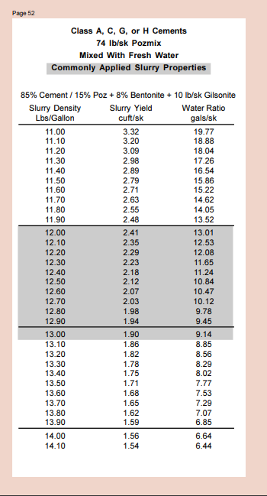

 | FOR TEH PRODUCTION STRING COMPANY GUIDELINE

 | TWO STAGE JOB

 | TAIL | 14 | LBS/GAL
 | HEIGHT | 750 | FEET

PRODUCTION
TYPICAL SPACING |  | 40 | ACRES

RESULTS OF INITIAL TESTS NO STIMULATION

 |  | NET PAY THICKNESS |  | INITIAL RATE, NOT STIMULATED
 |  | FT |  | STBOPD
 |  | 60 |  | 40.0
 |  | 58 |  | 38.0
 |  | 55 |  | 36.7
 |  | 52 |  | 32.5
 |  | 50 |  | 28.3
 |  | 47 |  | 26.5
 |  | 45 |  | 23.0
 |  | 44 |  | 20.8
 |  | 40 |  | 17.0
 |  | 37 |  | 15.2
 |  | 35 |  | 14.3
 |  | 32 |  | 13.0
 |  | 30 |  | 12.0
 |  | 27 |  | 11.4
 |  | 25 |  | 10.1
 |  | 22 |  | 9.0
 |  | 20 |  | 8.5
 |  | 17 |  | 7.7
 |  | 15 |  | 7.1
 |  | 12 |  | 6.7
 |  | 10 |  | 6.0
 |  | 7 |  | 6.5
 |  | 5 |  | 5.0
 |  | 3 |  | 2.5
 |  | 2 |  | 1.7
 |  | 1 |  | 0.2

 |  |  |  |  |  |  |  |  |  |  | Time | Rate | Cum Oil | RF | GOR | Gas | WOR | Water
ADDITIONAL PRODUCTION DATA |  |  |  |  |  |  | AREA | 40 |  |  | Years | STBOPD |  |  | SCF/STBO | SCFPD |  | STBWPD
 |  |  |  |  |  |  | OOIP | 324813628 |  |  | 0 | 40.0 | 0 | 0 | 450 | 18000 | 0.5 | 20.0
 | OIL ECONOMIC LIMIT | 3 | STBOPD |  |  |  | RF | 0.1 |  |  | 1 | 38.0 | 1755749 | 0.0054 | 482 | 18312 | 0.68 | 25.8
 | TYPICAL RECOVERY EFFICIENCY RANGE | 7.00% | 12.00% |  |  |  | EUR | 32481362.791 |  |  | 2 | 36.7 | 2926249 | 0.0090 | 514 | 18839 | 0.86 | 31.5
 | WOR INITIAL | 0.5 |  |  |  |  | Qi | 40 |  |  | 3 | 32.5 | 6584060 | 0.0203 | 546 | 17734 | 1.04 | 33.8
 | WOR @ ECON LIMIT | 5 |  |  |  |  | Qe | 3 |  |  | 4 | 28.3 | 10241871 | 0.0315 | 578 | 16364 | 1.22 | 34.6
 | ASSUME WOR LINEAR TREND |  |  |  |  |  |  |  |  |  | 5 | 26.5 | 11851308 | 0.0365 | 609 | 16150 | 1.4 | 37.1
 |  |  |  |  | Dn= | 40 | 3 | 365 | = | 13505 | 6 | 23.0 | 14923869 | 0.0459 | 641 | 14751 | 1.58 | 36.3
 |  |  |  |  | Dn= | 0.04% |  |  |  | 32481363 | 7 | 20.8 | 16890534 | 0.0520 | 673 | 13976 | 1.76 | 36.5
 |  |  |  |  |  |  |  |  |  |  | 8 | 17.0 | 20172831 | 0.0621 | 705 | 12002 | 1.94 | 33.0
 |  |  |  |  |  |  |  |  |  |  | 9 | 15.2 | 21771292 | 0.0670 | 737 | 11202 | 2.12 | 32.2
 |  |  |  |  |  |  |  |  |  |  | 10 | 14.3 | 22571689 | 0.0695 | 769 | 10986 | 2.3 | 32.9
 |  |  |  |  |  |  |  |  |  |  | 11 | 13.0 | 23702616 | 0.0730 | 801 | 10410 | 2.48 | 32.2
 |  |  |  |  |  |  |  |  |  |  | 12 | 12.0 | 24585428 | 0.0757 | 833 | 9987 | 2.66 | 31.9
 |  |  |  |  |  |  |  |  |  |  | 13 | 11.4 | 25107216 | 0.0773 | 865 | 9856 | 2.84 | 32.4
 |  |  |  |  |  |  |  |  |  |  | 14 | 10.1 | 26275874 | 0.0809 | 896 | 9026 | 3.02 | 30.4
 |  |  |  |  |  |  |  |  |  |  | 15 | 9.0 | 27214941 | 0.0838 | 928 | 8354 | 3.2 | 28.8
 |  |  |  |  |  |  |  |  |  |  | 16 | 8.5 | 27694932 | 0.0853 | 960 | 8116 | 3.38 | 28.6
 |  |  |  |  |  |  |  |  |  |  | 17 | 7.7 | 28315354 | 0.0872 | 992 | 7684 | 3.56 | 27.6
 |  |  |  |  |  |  |  |  |  |  | 18 | 7.1 | 28886170 | 0.0889 | 1024 | 7266 | 3.74 | 26.5
 |  |  |  |  |  |  |  |  |  |  | 19 | 6.7 | 29262489 | 0.0901 | 1056 | 7039 | 3.92 | 26.1
 |  |  |  |  |  |  |  |  |  |  | 20 | 6.0 | 29886162 | 0.0920 | 1088 | 6479 | 4.1 | 24.4
 |  |  |  |  |  |  |  |  |  |  | 21 | 6.5 | 29430013 | 0.0906 | 1120 | 7251 | 4.28 | 27.7
 |  |  |  |  |  |  |  |  |  |  | 22 | 5.0 | 30725613 | 0.0946 | 1152 | 5758 | 4.46 | 22.3
 |  |  |  |  |  |  |  |  |  |  | 23 | 2.5 | 32920300 | 0.1014 | 1183 | 2959 | 4.64 | 11.6
 |  |  |  |  |  |  |  |  |  |  | 24 | 1.7 | 33651862 | 0.1036 | 1215 | 2026 | 4.82 | 8.0
 |  |  |  |  |  |  |  |  |  |  | 25 | 0.2 | 34968674 | 0.1077 | 1247 | 208 | 5 | 0.8

FACILITIES
PRELIMINARY DESIGN SINGLE WELL ( FLOW CHART) |  |  | OTC , FACILITIES AREAL VIEW

TESTING
SEPARATION | GAS
 | OIL
 | WATER
DISPOSAL
SALES

 |  | CRUDE OLL FIELD PRODUCTION FACILITIES FLOW DIAGRAM

DEGAS STATION
Delivery of liquid fraction

petroleum gas
COMPRESSORS STATION
Fuel gas
HEATERS
MPS steam production
for heaters

DRYERS
Gas transport pipeline

mixer conduit
oil with additions
OIL WELL
THREE PHASE SEPARATORS
crude oil
SEPARATORS
TANK FARM PUMPING STATION
To refineries

(oil / gases / brine water mixture)
reservoir water
under 1%
reservoir water

WATER TREATMENT UNIT
water current
slurry
water current
slurry
water current

WATER INJECTION UNIT
back to wells

CREEK
GRAVITATIONAL PONDS
SLURRY / DUMP

WATER TREATMENT UNIT

COMPLETION
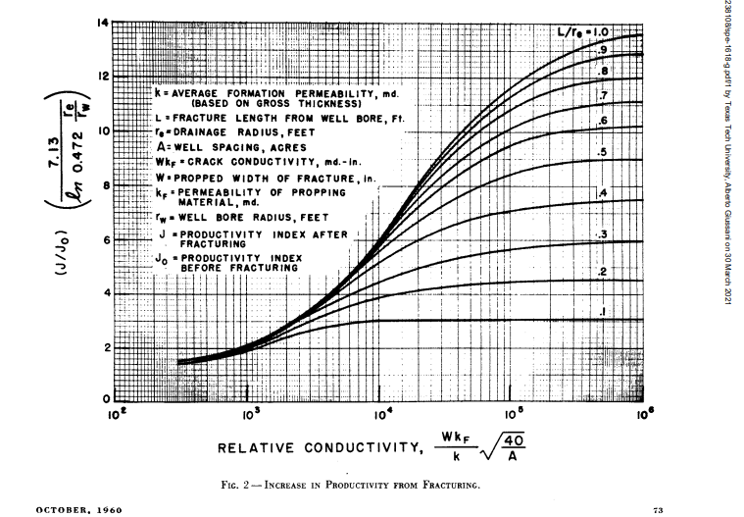

YOUR COMPANY USE THE MC GUIRE AND SIKORA RESEARCH FINDINGS TO DO PRELIMINARY DESIGN OF THE COMPLETION

FROM LOGS

TOP PF PAY | 7400 | FT
BOTTOM OF PAY | 7600 | FT

ABOVE AND BELOW PAY LIMITS , THICK ANHYDRITE ZONE THAT WILL CONTAIN FRACTURE GROWTH

AVERAGE PAY ZONE PERMEABILITY |  |  | 1.0 | MD

WELLS ARE TYPICALLY SAND FRACTURED

TYPICAL FRACTURE | PENNY SHAPE |  | RADIAL GROWTH = 1/2 TOTAL HEIGHT

TYPICAL FRACTURE WIDTH |  | 0.75 | INCHES

TYPICAL SAND TO BE USED |  | 20/40 | UNDER THIS RESERVOIR CONDITIONS THE PERMEABILITY OF THE FRACTURE |  |  |  |  | 200 | DARCIE'S

VOLUME OF SAND PUMPED |  | 1.5 | TIMES THE THEORETICAL FRACTURE VOLUME

TYPICAL WEIGHT OF 20/40 |  | 100 | LBS/CU FT

VOLUME OF FLUID REQUIRED |  | RATIO | 3 | LBS/GAL

PERFORATIONS | 4 JSPFT | INTERVAL PERFORATED |  |  | UPPER | 40% | TOTAL PAY

DRILLING PERMIT
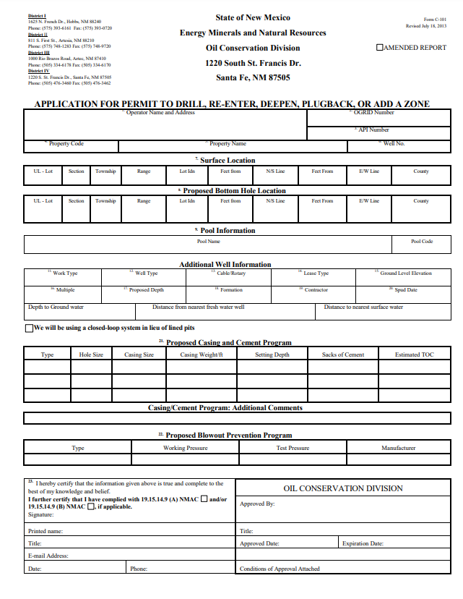

LEAVE FIRST FOUR SECTION S UNFILLED

LEASE TYPE | FEE

